A
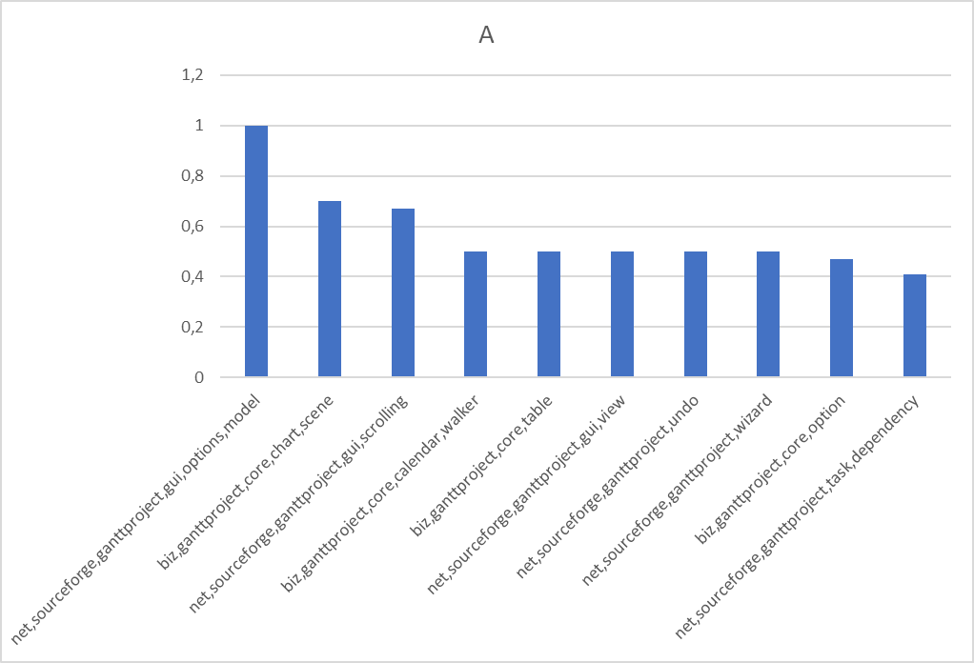
Package | A | AC | EC | D | I
net.sourceforge.ganttproject.gui.options.model | 1.0 | 42.0 | 55.0 | 0.56 | 0.56
biz.ganttproject.core.chart.scene | 0.7 | 131.0 | 163.0 | 0.25 | 0.53
net.sourceforge.ganttproject.gui.scrolling | 0.67 | 14.0 | 3.0 | 0.15 | 0.17
biz.ganttproject.core.calendar.walker | 0.5 | 30.0 | 18.0 | 0.12 | 0.38
biz.ganttproject.core.table | 0.5 | 322.0 | 0.0 | 0.5 | 0.0
net.sourceforge.ganttproject.gui.view | 0.5 | 44.0 | 45.0 | 0.56 | 0.5
net.sourceforge.ganttproject.undo | 0.5 | 74.0 | 55.0 | 0.73 | 0.42
net.sourceforge.ganttproject.wizard | 0.5 | 24.0 | 63.0 | 0.22 | 0.68
biz.ganttproject.core.option | 0.47 | 1491.0 | 5.0 | 0.52 | 0.34
net.sourceforge.ganttproject.task.dependency | 0.41 | 950.0 | 150.0 | 0.44 | 0.15

Ca
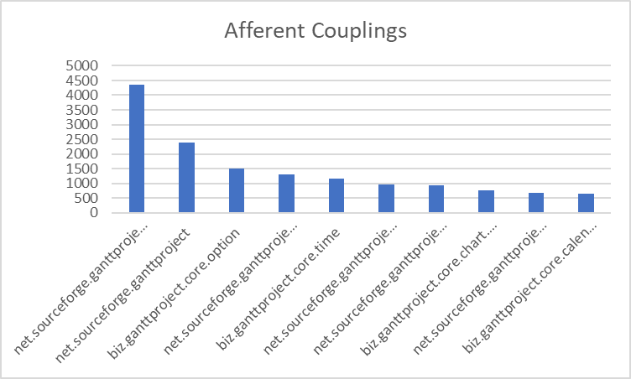
Package | A | AC | EC | D | I
net.sourceforge.ganttproject.task | 0.33 | 4350.0 | 761.0 | 0.52 | 0.14
net.sourceforge.ganttproject | 0.17 | 2396.0 | 2749.0 | 0.29 | 0.51
biz.ganttproject.core.option | 0.47 | 1491.0 | 5.0 | 0.52 | 0.34
net.sourceforge.ganttproject.gui | 0.26 | 1298.0 | 877.0 | 0.33 | 0.38
biz.ganttproject.core.time | 0.42 | 1154.0 | 7.0 | 0.58 | 0.60
net.sourceforge.ganttproject.task.dependency | 0.42 | 950.0 | 150.0 | 0.45 | 0.15
net.sourceforge.ganttproject.language | 0.29 | 937.0 | 29.0 | 0.69 | 0.26
biz.ganttproject.core.chart.canvas | 0.22 | 766.0 | 0.0 | 0.79 | 0.0
net.sourceforge.ganttproject.resource | 0.32 | 659.0 | 199.0 | 0.45 | 0.23
biz.ganttproject.core.calendar | 0.35 | 635.0 | 131.0 | 0.48 | 0.21

Ce
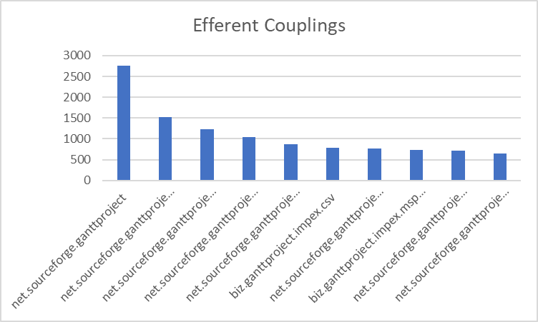
Package | A | AC | EC | D | I
net.sourceforge.ganttproject | 0.17 | 2396.0 | 2749.0 | 0.29 | 0.51
net.sourceforge.ganttproject.chart | 0.28 | 429.0 | 1523.0 | 0.60 | 0.76
net.sourceforge.ganttproject.task.algorithm | 0.29 | 303.0 | 1233.0 | 0.88 | 0.79
net.sourceforge.ganttproject.test.task.dependency | 0.0 | 0.0 | 1035.0 | 0.0 | 1.0
net.sourceforge.ganttproject.gui | 0.26 | 1298.0 | 877.0 | 0.33 | 0.38
biz.ganttproject.impex.csv | 0.14 | 4.0 | 791.0 | 0.14 | 0.99
net.sourceforge.ganttproject.task | 0.33 | 4350.0 | 761.0 | 0.52 | 0.14
biz.ganttproject.impex.msproject2 | 0.2 | 0.0 | 726.0 | 0.2 | 1.0
net.sourceforge.ganttproject.chart.gantt | 0.0 | 34.0 | 720.0 | 0.35 | 0.96
net.sourceforge.ganttproject.gui.options | 0.22 | 214.0 | 646.0 | 0.27 | 0.80

D
Package | A | AC | EC | D | I
net.sourceforge.ganttproject.filter | 0.0 | 10.0 | 0.0 | 1.0 | 0.0
net.sourceforge.ganttproject.font | 0.0 | 14.0 | 0.0 | 1.0 | 0.0
net.sourceforge.ganttproject.shape | 0.0 | 4.0 | 0.0 | 1.0 | 0.0
net.sourceforge.ganttproject.util.collect | 0.0 | 199.0 | 0.0 | 1.0 | 0.0
org.ganttproject | 0.0 | 0.0 | 0.0 | 1.0 | 1.0
org.w3c.util | 0.0 | 36.0 | 0.0 | 1.0 | 0.0
net.sourceforge.ganttproject.chart.item | 0.0 | 71.0 | 8.0 | 0.9 | 0.10
biz.ganttproject.core.chart.canvas | 0.21 | 766.0 | 0.0 | 0.79 | 0.0
net.sourceforge.ganttproject.task.hierarchy | 0.0 | 15.0 | 4.0 | 0.79 | 0.21
net.sourceforge.ganttproject.util | 0.11 | 88.0 | 17.0 | 0.73 | 0.16
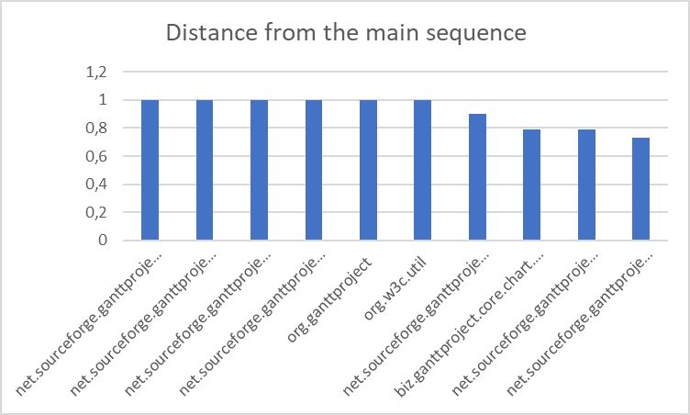

 |  |  |  |  |  | 8.0

I
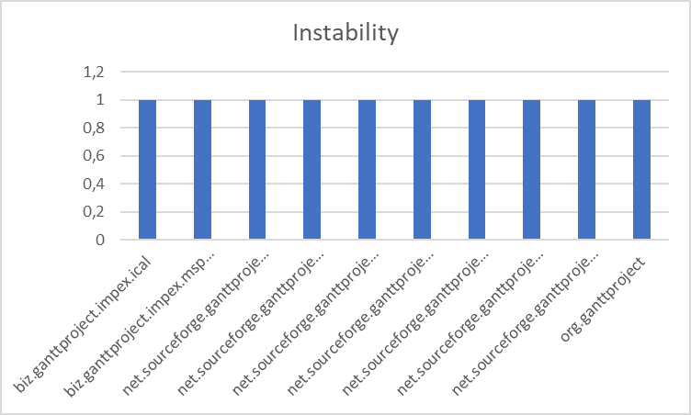
Package | A | AC | EC | D | I
biz.ganttproject.impex.ical | 0.0 | 0.0 | 47.0 | 0.0 | 1.0
biz.ganttproject.impex.msproject2 | 0.2 | 0.0 | 726.0 | 0.2 | 1.0
net.sourceforge.ganttproject.application | 0.0 | 0.0 | 12.0 | 0.0 | 1.0
net.sourceforge.ganttproject.customProperty | 0.0 | 0.0 | 46.0 | 0.0 | 1.0
net.sourceforge.ganttproject.test.task.calendar | 0.0 | 0.0 | 180.0 | 0.0 | 1.0
net.sourceforge.ganttproject.test.task.dependency | 0.0 | 0.0 | 1035.0 | 0.0 | 1.0
net.sourceforge.ganttproject.test.task.event | 0.0 | 0.0 | 75.0 | 0.0 | 1.0
net.sourceforge.ganttproject.test.task.hierarchy | 0.0 | 0.0 | 321.0 | 0.0 | 1.0
net.sourceforge.ganttproject.test.time | 0.0 | 0.0 | 53.0 | 0.0 | 1.0
org.ganttproject | 0.0 | 0.0 | 0.0 | 1.0 | 1.0

